Sheet1
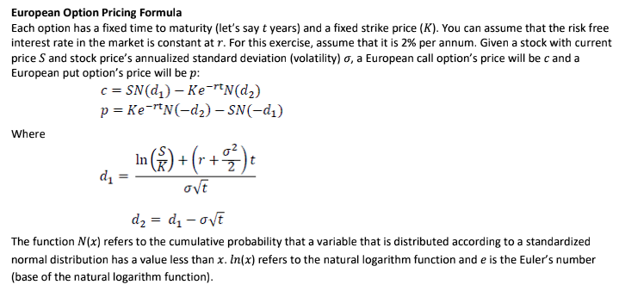
Underlying Price | S | 42 | d1 | 0.44395082085
Strike Price | K | 40 | d2 | 0.24395082085
Time to Maturity | T | 1
Risk Free Rate | rate | 2% | N_d1 | 0.67146092982 | N_(-d1) | 0.32853907018
Volitility | sigma | 20% | N_d2 | 0.59636554571 | N_(-d2) | 0.40363445429

Call |  | 4.819090384
Put |  | 2.0270373162

